Sheet1
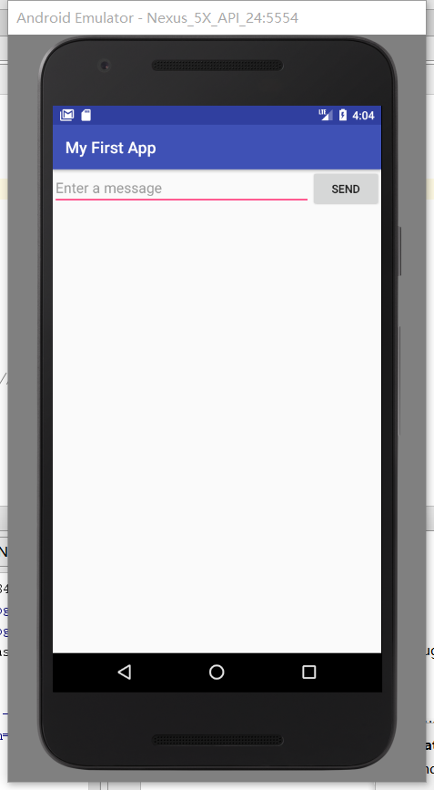
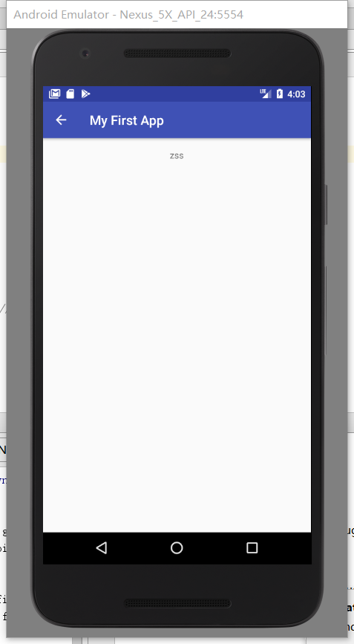
Date and Time of Test Run |  |  | 12/01/2017 16:39:19
Environment Description |  |  | Google Pixel (OS version: Android 7.1.1)
SW Version |  |  | Android Studio 3.0
Notes |  |  | Android Emulator

Test ID | Test Scenario | Components Involved | Platform | Test StepsTest Description (Steps) | Actual Results | Pass/Fail | Priority
Basys1 | open the app in virtual device | None | virtual device | Click 'My first app2' icon on the home screen 2. | A textbox and a 'SEND' button shown on the screen. | Pass | Critical High Medium Low
Basys2 | type something and display on screen | zss | virtual device | Type in 'zss' in textbox and then click 'SEND' button | zss'shown on screen | Pass | Medium
Basys3 | Check customer click backspace button and retrieve back to the former page. | None | virtual device | Click the '<-' button on top of left | Go back to the former page. Now we can re-enter another text. | Pass | Medium

